READ ME
SAP
MEASURES SPREADSHEET
Step by step guide

Instructions |  | Rules of the sheet:
Step 1: | Complete "Project Details" tab in full |  | Filled in editable cell
Step 2: | Create a duplicate of the Master tab ("Unit XX") and rename with your dwelling reference. The tab naming should match the Sample Schedule tab within "Project Details" |  | Empty editable cell
Step 3: | Complete "Unit XX" tab as needed following the Rules (see right). The property name inside the tab is populated automatically based on the tab's name. |  | Calculated / non-editable cell
Step 4: | Issue to reviewer for comment |  | Drop down list
Step 5: | Reviewer to carry out QA following guidance below. |  | Non-editable defaults referenced from the 'Performance inputs' tab. These can only be edited in the 'Performance inputs' tab
Step 6: | Update following review and use measurements to complete Design SAP calculations |  | Editable defaults (WARNING: when edited the formulas calculating the default value will be lost)
 |  |  | Warning: Entered opaque element area does not match element type

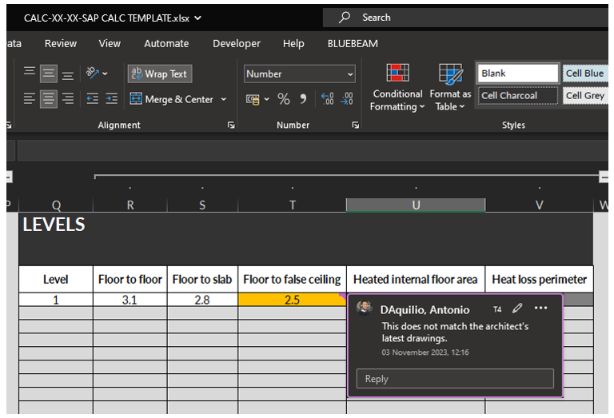
QA Rules:
When carrying out the QA, please use the following process:
QA mark up within the workbook
 | Error within cell
 | Comment on error found should be added to the cell as a comment

Following review, the tabs should be coloured based on level of ammendment:
Tab colours:
 | To be QA'd
 | Pass QA with no ammendments needed
 | Minor ammendments required
 | Significant ammendments required
 | QA carried out and ammendments made, ready to use for Design SAP
This will provide an indication of what areas need ammendments and what can be ignored.
Once the ammendments have been made, change the tab colour to grey.
At this point, the measurements can be used

